1. Title Page
[Project Name]

Project Name: Instacart Grocery Basket Analysis
Date: 19/07/2023
Analyst Name: Borbala Tunde Domotorfy

Contents:
Population Flow
Consistency checks
Wrangling steps
Column derivations
Visualizations
Recommendations

 | “The Instacart Online Grocery Shopping Dataset 2017”, Accessed from www.instacart.com/datasets/grocery-shopping-2017 via Kaggle on 20/6/2023.

2. Population Flow
Title page

Population flow

Exclusion flag
Condition: max_order < 5
Obervations to be removed: 2,233,435
Final total count of order_products_all: 32,404,859

Orders_products_combined
Orders_products_merged
Combined_all

Total: 32,404,859
Total: 32,434,489
Total: 32,404,859

1.) The grey boxes in the first row of the population flow represent the original data sets as they were when you downloaded them. In the Total fields you need to add the count of the rows when you imported the data set into Jupyter.
2.) The second row of boxes (coloured) represents the data sets after you manipulated them, e.g., removed missing values and duplicates. In the Total fields you need to add the count of the rows after conducting these operations. This offers a visual oveview of how the data flows throughout the data consistency checks.
3.) The third row, where also the arrows are coloured, represents the merges you performed between the datasets. In the Total fields you need to add the count of the rows in the merged datasets, so that you end up with the final dataset (in the red box). Keep in mind the final dataset should be without exclusions (based on the exclusion flag).

3. Consistency checks
 |  |  |  | Title page
Consistency checks

Dataset | Missing values | Missing values treatment | Duplicates
orders | 206209 missing values in days_since_prior_order | Missing values are from 1st time users having no days_since. No action needed | None
products | 16 missing values in product_names column | Created new df with missing values excluded. | 5 duplicates found and dropped by creating new df that doesn't contain duplicates.
orders_products_prior | none | none | none
customers | 11259 missing value for first names | Left as is, missing first name does not affect the usability of the data. | None

4. Wrangling steps
 |  |  |  | Title page
Wrangling steps

Columns dropped | Columns renamed | Columns' type changed | Comment/Reason
Eval_set |  |  | Eval_set column was not containing usable data
 | orders_dow to orders_day_of_week |  | more descriptive name
 | order_number to prior_orders_by_user |  | more descriptive name
 | fam_status to family_status |  | more descriptive name
 | First Name to first_name |  | upper-lower case consistency
 | Surnam to surname |  | upper-lower case consistency and typo correction
 | Gender to gender |  | upper-lower case consistency
 | STATE to state |  | upper-lower case consistency
 | Age to age |  | upper-lower case consistency
 | n_dependants to dependents |  | n didn't have added value
 |  | order_id to str | no numeric value
 |  | first_name to str
 |  | last_name to str
first_name |  |  | PII concerns
last_name |  |  | PII concerns

5. Column derivations
 |  |  |  | Title page

Column derivations and aggregations

In this tab you should add tables below that the frequences of flags/label variables that you produced after deriving them. NB: don't do this for continuous variables, only for flags.
Dataset | New column | Column/s it was derived from | Conditions
order_products_merged | Price_range | prices | > 5 = low range product <= 5 & >15 = mid-range product <=15 = high range product
orders_products_merged_busiest_periods_added | busiest_day | orders_day_of_week | if value = 0 then is Busiest Day if value = 4 , then Least Busy All else = Regular Busy
orders_products_merged_busiest_periods_added | busiest_day | orders_day_of_week | if value = 0 or 1, then Busiest Day if value = 3 or 4, then Least Busy if value= all else, then Regular Busy
orders_products_merged_busiest_periods_added | busiest_period_of_day | hour_of_day | if value in [10, 11, 14, 15, 13, 12, 16, 9], then Most orders; if value in [17, 8, 18, 19, 20, 7, 21, 22], then Average orders, all else = Fewest orders
orders_products_merged_spending_loyalty_frequency | max_order | user_id & order_number | grouped user_id and returns the maximum order numbers
orders_products_merged_spending_loyalty_frequency | loyalty flag | max_orders | > than 40 = Loyal Customer < 40 and >=10 = Regular Customer < 10 = New Customer
orders_products_merged_spending_loyalty_frequency | mean_price | user_id & price | Grouped by user_id, then aggregated the mean price
orders_products_merged_spending_loyalty_frequency | user_spending | mean_price | >= 10 = High spender > 10 = Low spender
orders_products_merged_spending_loyalty_frequency | median_days_since_order | user_id & days_since_prior_order | Groupsed by user_id and aggredated the median days since prior order
orders_products_merged_spending_loyalty_frequency | user_frequency | median_days_since_order | >20 = non-frequent >10 & <= 20 = regular >= 10 = Frequent
combined_all_final | crosstab | days_since_prio_order & order_number | Created Excel chart
combined_all_final | crosstab | Region & user_spending | Created Excel chart
combined_all_final | age_group flag | age | < 35 = young adult >= 35 & <65 = Middle age >= 65 = Senior
combined_all_final | income_flag | income | < 70k = lower income 70-125k = middle income >125k-250 k = higher income >250 k = very high income
combined_all_final | region | state | Grouped states into regions
combined_all_final | dependents_flag | dependants | identifies dependants vs no dependants

6. Visualizations
 |  |  |  |  | Title page

Visualisations

In this tab you should include all the visualtions from Exercises 4.9 and 4.10, alongside the questions from the project brief that they answer. Include any commentary on the relationship between different variables.

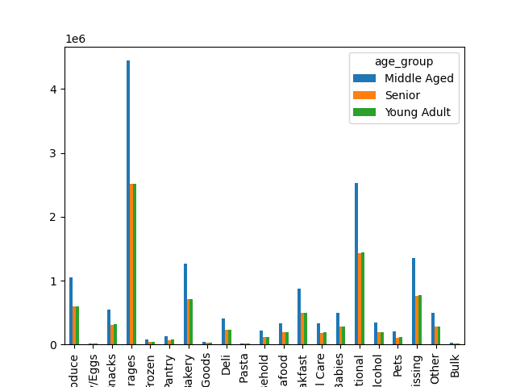
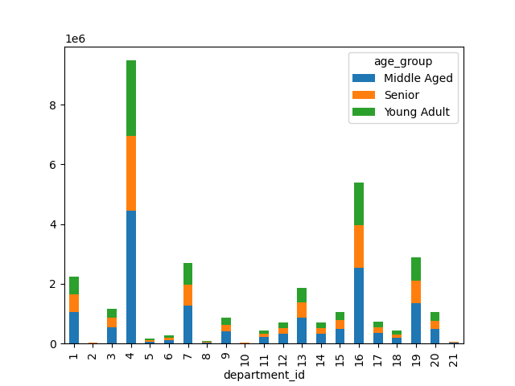
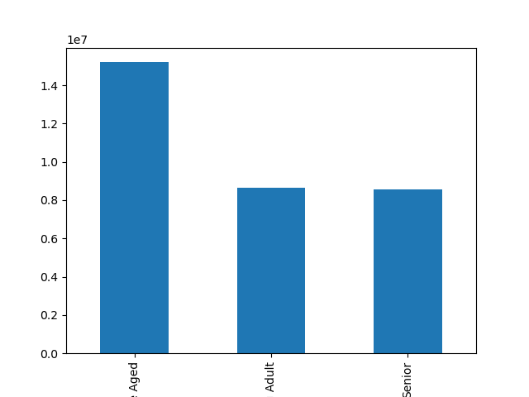

Age group and department relationship |  |  | Age group and department relationship |  |  | Customers by age group

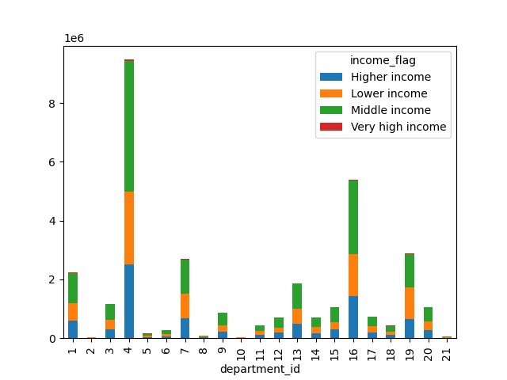
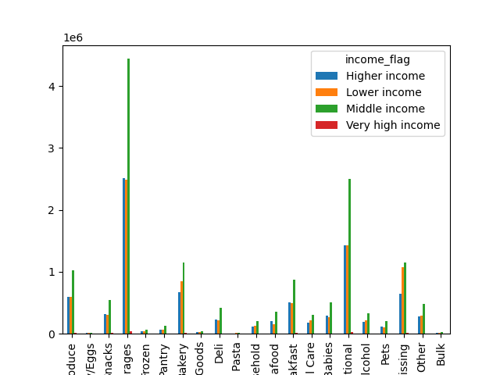
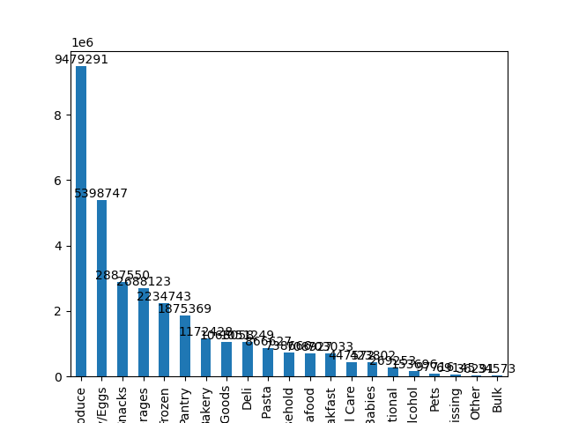

 | Income (purchasing power) and department relationship |  | Income (purchasing power) and department relationship |  |  | Income (purchasing power) and department relationship
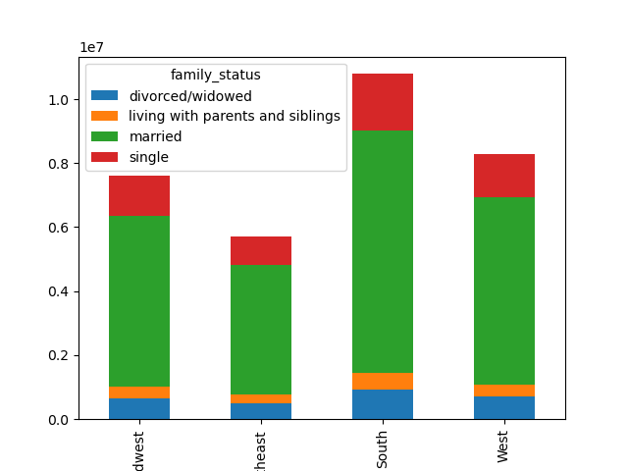
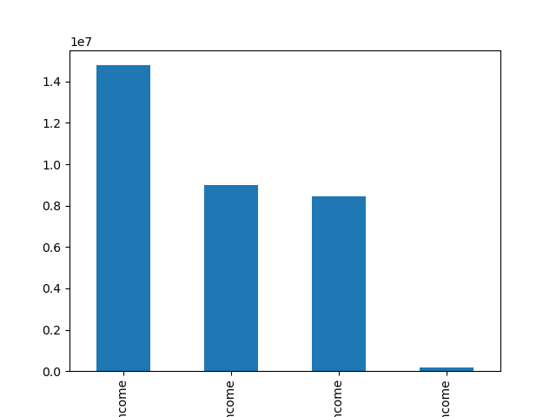
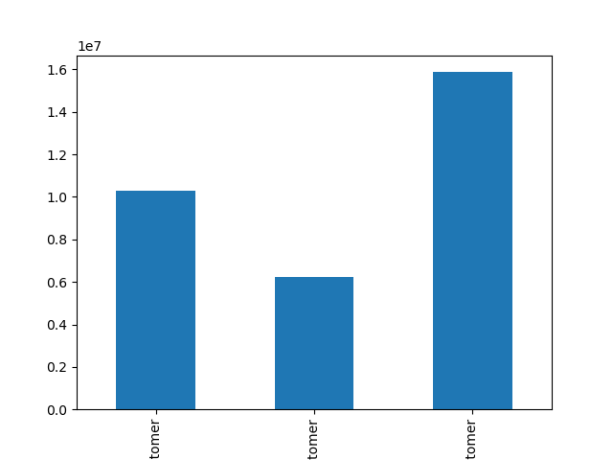

 | Family status and region relationship
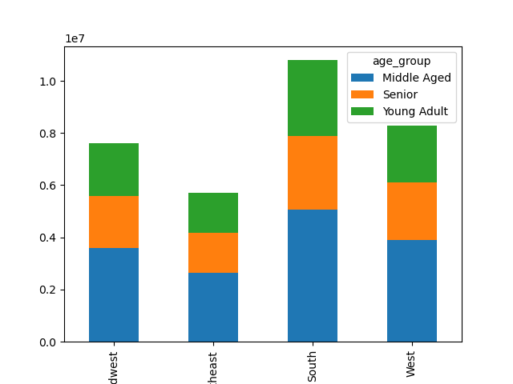
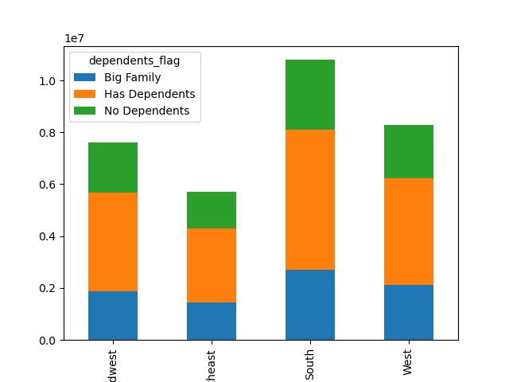
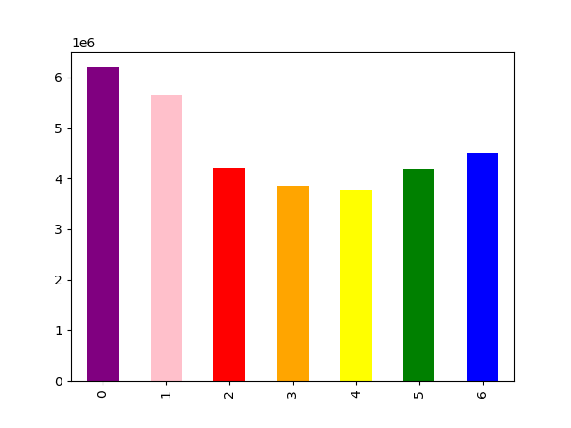

 |  |  | Age group and region relationship |  |  | Family size (number of dependents) and region relationship
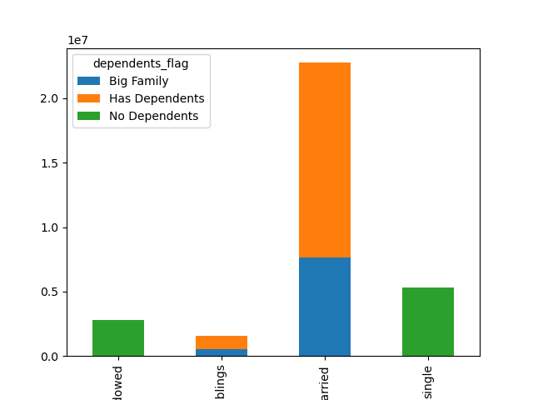
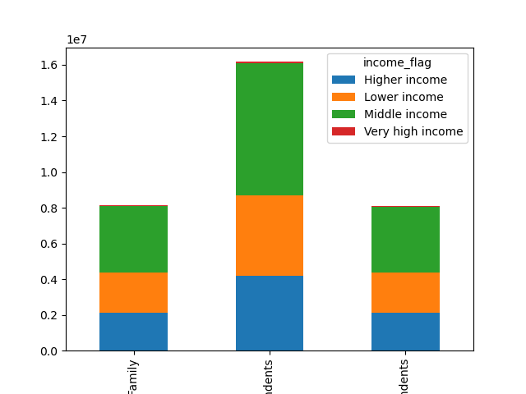
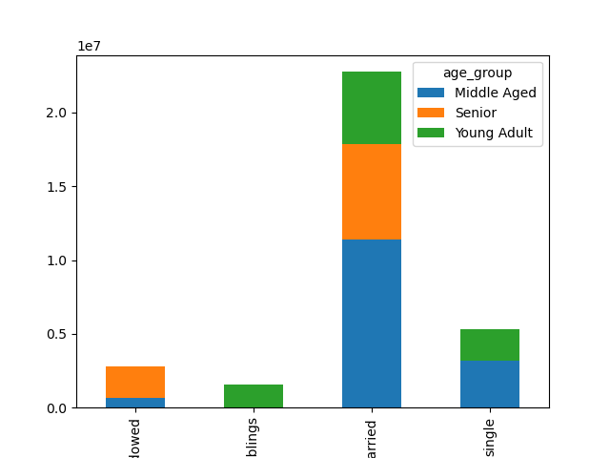

 | Family status and family size (number of dependents) relationship |  | Family status and income relationship |  |  | Family status and age group relationship
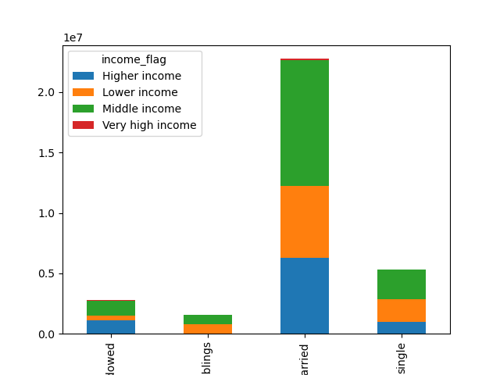



 | Family status and income relationship |  | Busiest hour |  |  | Prices-purchasing frequency

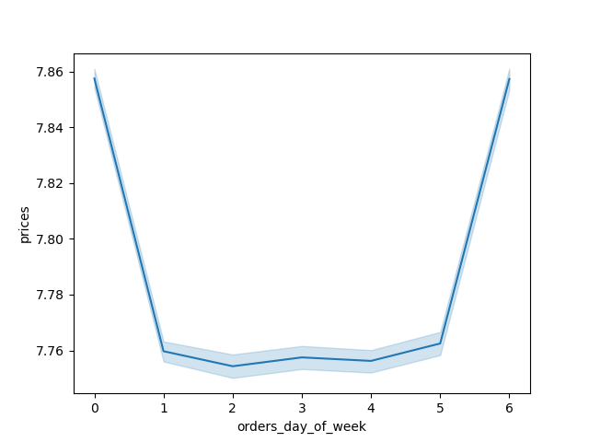
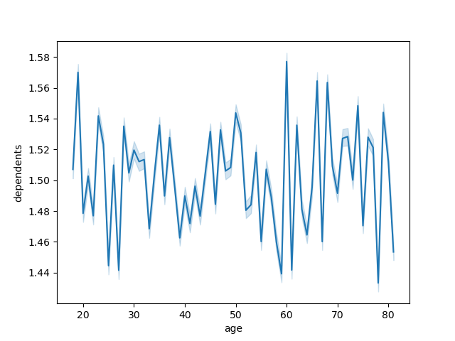

 | Prices- purchasing frequency |  |  | Busiest days of the week (whole dataset) |  |  | Age-number of dependents relatonship
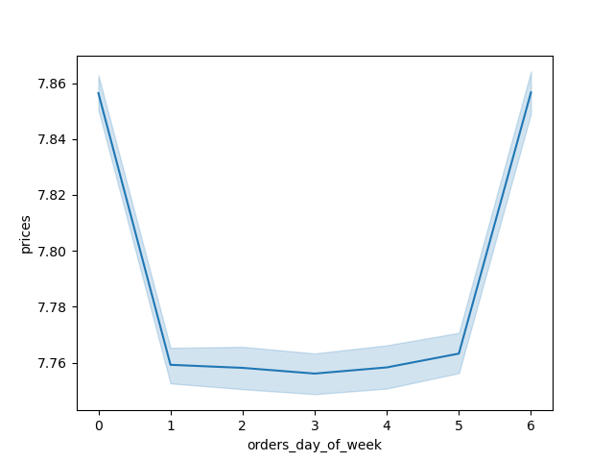
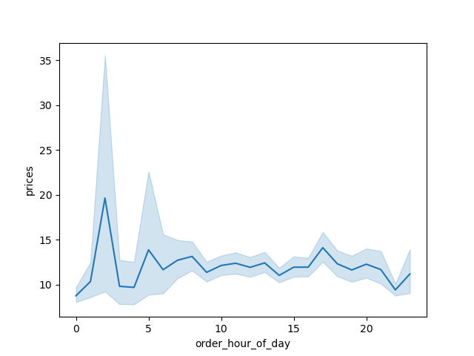


 |  | Busiest days of the week (subset) |  | Prices durind the day |  |  | Income (purchasing power) - age correlation

7. Recommendations
 |  | Title page

Recommendations

In this tab you should include any recommendations you would made to Instcart in terms of their marketing strategy based on the questions posed in the brief. Every key question has been covered in the Tasks of the Exercises - here you need to add an item - a visualisation or table/crosstable that is showing the answer in the data, acompanied by a comment from you. Please, list the questions below and add the answer underneath.

Question | Answer
The sales team needs to know what the busiest days of the week and hours of the | The buesiest days of the week are Saturday and Sunday, between 8 a and 5 pm
day are (i.e., the days and times with the most orders) in order to schedule ads at
times when there are fewer orders.
 | While not the busiest time of day, the most money tends to be spent by those shopping early in the morning or late at night,
They also want to know whether there are particular times of the day when people
spend the most money, as this might inform the type of products they advertise at
these times.

Instacart has a lot of products with different price tags. Marketing and sales want to | Price ranges were created to identify high spenders and low spenders.
use simpler price range groupings to help direct their efforts.

Are there certain types of products that are more popular than others? The marketing | Produce is the most popular department, then dairy/eggs, and then snacks.
and sales teams want to know which departments have the highest frequency of
product orders.

The marketing and sales teams are particularly interested in the different types of | Married couples tend to order more, regardless of income or age. Regionally customers in the South use Instacart more than other regions. While the Northeast orders the least. Those living at home order the least, regardless of age or income, followed by divorced/widowed. Across the board most items ordered are lower value, with very little high user spending.
customers in their system and how their ordering behaviors differ.

